Sheet1
Data Cleansing | Imputation Method | Data Cleansing | Imputation Method
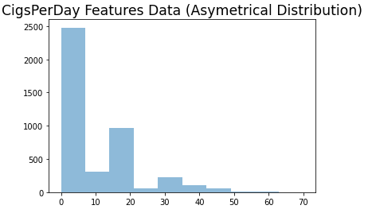 | Replaced NA with median due to asymetrical distribution | 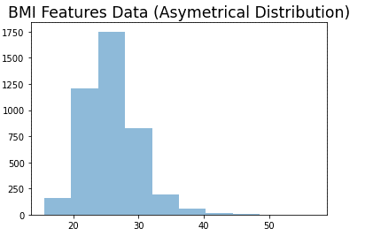 | Replaced NA with median due to asymetrical distribution
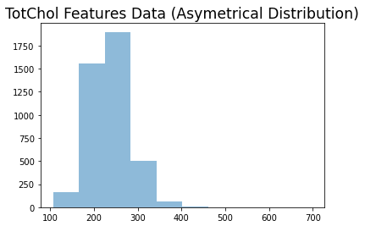 | Replaced NA with median due to asymetrical distribution | 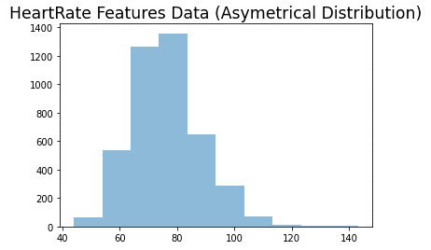 | Replaced NA with median due to asymetrical distribution
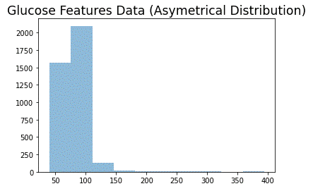 | Replaced NA with median due to asymetrical distribution
Data Cleansing | Imputation Method
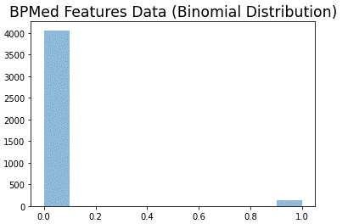 | Replaced NA with mode due to binomial distribution
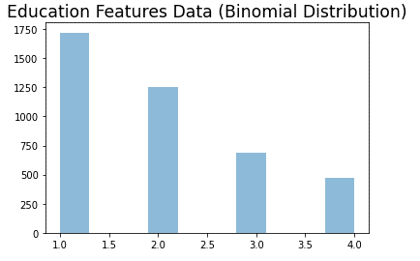 | Replaced NA with mode due to binomial distribution

